Sheet1
Log Winshuttle Studio 20.2 Update 9 SAP System: Client: SAP User - WE6:800:sigridk Script Name - BAPI_GOODSMVT_CREATE_Like_MIGO Mode - DirectTemplate Start Row - 4 End Row - 0 Number of Errors - 0 Records Uploaded - 1 Date and Time - 3/27/2023 10:22:36 AM Execution Time - 0:00:10 Run Reason - | BAPI_GOODSMVT_CREATE Receive goods from PO (similar to MIGO) |  |  |  |  |  |  |  |  |  |  |  |  |  |  |  |  |  | Goods movement code in BAPI
 | GOODSMVT_HEADRET-MAT_DOC | GOODSMVT_HEADRET-DOC_YEAR | GOODSMVT_HEADER-PSTNG_DATE | GOODSMVT_HEADER-DOC_DATE | GOODSMVT_HEADER-REF_DOC_NO |  | GOODSMVT_ITEM-PO_NUMBER | GOODSMVT_ITEM-PO_ITEM | GOODSMVT_ITEM-MATERIAL | GOODSMVT_ITEM-ENTRY_QNT | GOODSMVT_ITEM-PLANT | GOODSMVT_ITEM-STGE_LOC | GOODSMVT_ITEM-VENDOR | GOODSMVT_ITEM-MOVE_TYPE | GOODSMVT_ITEM-STCK_TYPE | GOODSMVT_ITEM-NO_MORE_GR | GOODSMVT_ITEM-MVT_IND | ExportOthers-TESTRUN | set to 01 for this exampe - hard coded in the mapper
RUN LOG | Number of Material Document (generated and downloaded) | Material Document Year (downloaded) | Posting Date in the Document | Document Date in Document | Reference Doc No (inbound delivery no, for example) | Loop ID Column | Purchase Order Number | Item Number of Purchasing Document | Material Number | Quantity in Unit of Entry | Plant | Storage Location | Vendor Account Number | Movement Type | Stock Type | "Delivery Completed" Indicator (X yes, blank no) | Movement Indicator |  | possible values
No message is returned from SAP | 0002000012 | 2023 | 2023-03-27 | 2023-03-27 | 180000702 | H |  |  |  |  |  |  |  |  |  |  |  |  | possible values
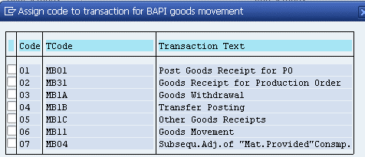
Item row D: See Log above |  |  |  |  |  | D | 4500035452 | 10 | SK-2003 | 10 | 1000 | 0001 | 1236 | 101 |  |  | B
No message is returned from SAP |  |  |  |  |  | D | 4500035452 | 20 | SK-2002 | 10 | 1000 | 0001 | 1236 | 101 |  |  | B

Reference
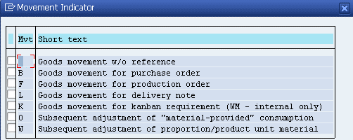
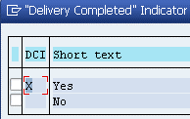
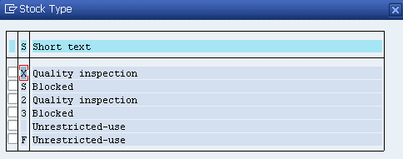
Some examples of possible values

